Tables Extractor IDs, Type
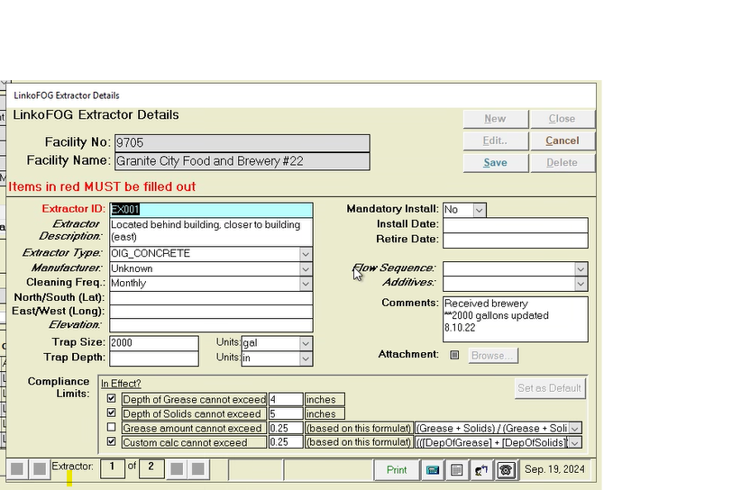
New Linko Pick Lists

Extractor IDs | Extractor ID Description |  | Extractor Type to Location
EX100 - EX110 | Interceptor - Grease - Concrete | 100 series are Interceptors | Extractor Type - Pick List | Description
EX120 - EX129 | Interceptor - Grease - Fiberglass/Plastic/Steel/Other |  | ABOVE-FLOOR | Indoor Extractor located above the floor
EX150 - EX159 | Interceptor/Separator - Solids |  | IN-FLOOR | Indoor Extractor located in the floor
EX160 - EX169 | Interceptor Shared |  | OUTDOOR | Outdoor Inground Extractor
EX200 - EX220 | Trap - Grease | 200 series are Traps
EX230 - EX239 | Trap - Sediment (Non FSE Commercial)
EX250 - EX259 | Trap - Hair
EX260 - EX269 | Trap Shared
EX300 - EX310 | Separator - Amalgam | 300 series are Separators
EX311 - EX319 | Separator - Oil / Sand
EX400 | Effluent Valve and Cap for Food Truck / Trailer / Cart | 400
EX500 - EX530 | Retired/Inactive Extractor (physically in place at location but inactive) | 500
EX600 | No Interceptor, Trap, or Separator, Verified | 600
EX700 | Unknown | 700
EX800 - EX830 | Removed (physically removed from location) | 800

Current Linko Pick Lists

Extractor IDs | Extractor ID Description |  | Extractor Type - Pick List
EX001, EX002…003, etc. | standard grease interceptors, either indoor or outdoor, adding multiple grease interceptors or replacement interceptors with the next number in sequence |  | ABOVE-FLOOR
EX050 | a grease interceptor shared by multiple facilities |  | AGRU - Big Dipper
EX060 | solids interceptor (in place between garbage disposals and grease interceptors |  | AGRU - Highland
EX075 | oil/sand separator |  | Amalgam Separator
EX080 | (Food Truck) grey water tank, should have shut off valve and cap |  | Amalsed Green
EX098 | Retired grease interceptor |  | Amalsed Silver
EX099 | No grease interceptor; known for a fact |  | AS-10
 |  |  | COMMISSARY
 |  |  | Don't Use
 |  |  | ECO II+
 |  |  | GREY WATER TANK
 |  |  | Hg5 series
 |  |  | IN-FLOOR
 |  |  | None
 |  |  | OIG_CONCRETE
 |  |  | OIG_FIBERGLASS
 |  |  | OIG_STEEL
 |  |  | OIL/SAND SEPARATOR
 |  |  | OTHER
 |  |  | Sediment Trap
 |  |  | Solids seperator

Admin Config Documentation
Status | Field Name Notes | Notes & Action Items from 4/30 and 5/29 Mtgs. | Before | After
Complete | Frequency No Option to Inactivate. No Option to delete or edit verbiage. Delete button is grayed out for all Codes | _Tom is able to delete with his admin rights. Jess to directly communicate with Tom on which Frequency options to delete. Intern updated Industry data for every a weeks and never _Tom deleted all options except the following wouldn't allow: As Needed (FSE only) As Needed (FSE only) can't be deleted-used many times in FOG module | 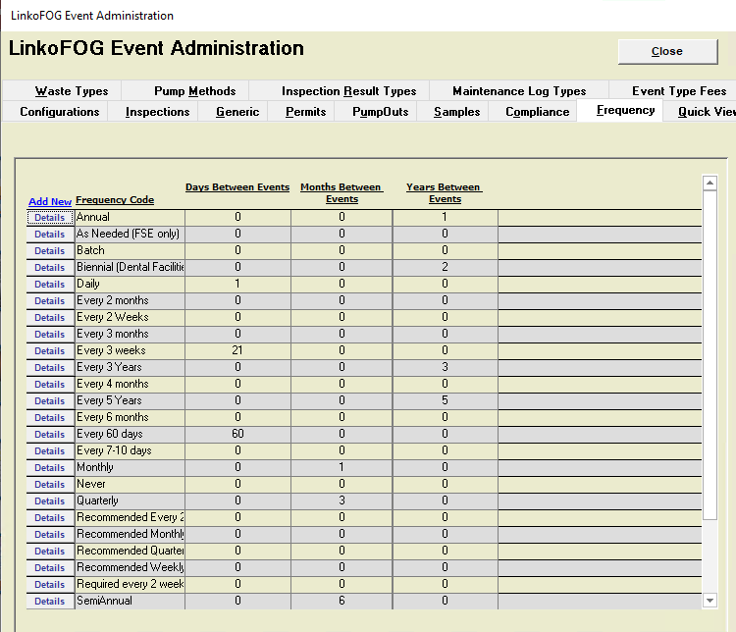 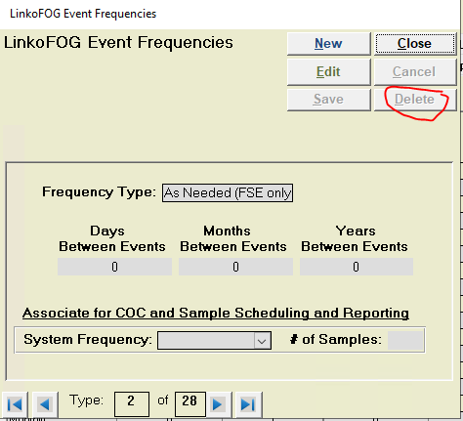 | 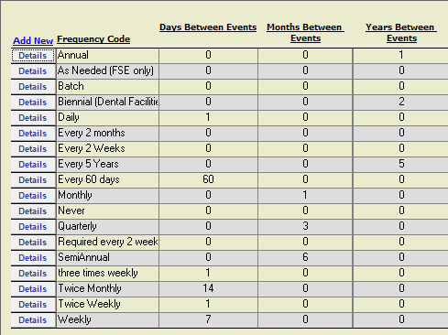
Complete | Receiving Plant (5 yr report) No Option to Inactivate. Still in Use: -Aqua Indiana Deleted: -Linko WWTP Note - Can't delete (receive popup that records are in database): -Fort Wayne City Utilities -Quasar I can't find which FSE's are still labelled with these to fix Edited to say Do Not Use... Question - Keep? Change to Do Not Use? -St Joe Interceptor | _Qusar is still in use. Leave as is. _IPS Team to get list of which records are using 'Fort Wayne City Utilities' and 'St Joe Interceptor' (possibly on CTS or Dentist side?). Jess can clean up those records, then delete from the admin configuration menu. _Jess looked in AG and did not find 'Fort Wayne City Utilities' and 'St Joe Interceptor' in use. Found in use on Industry side - Jess to deleted St Joe Interceptor and change 'Fort Wayne City Utilities' to Fort Wayne WPC Plant and updated admin config menus. This is now complete | 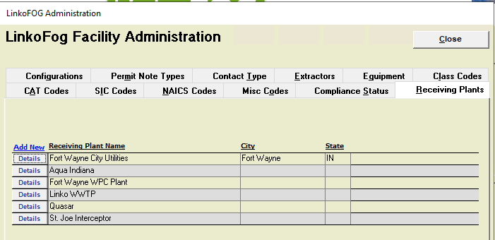
Complete | Map Category Automatically updated the dropdown menu once data was cleaned up | No action | I don't have a screenshot from before
Complete | Secondary Class Automatically updated the dropdown menu once data was cleaned up | No action | I don't have a screenshot from before
Complete | Class Codes (Class Code & Map Category Report) No Option to Inactivate. Deleted: Auto Detailing, Car Wash, Garage, Gas Station, Distillery, Bakery, Butcher, Catering, Coffee Shop, Concession Stand, Convenience Store, Entertainment, Event Center, Food Cart, Food Truck/Commissary, Gas Station/Restaurant, Grocery/Deli, Grocery/Restaurant, Hotel, Nutrition Shop, Retail, Vendor, Hospital, Nursing Home, Rehab Center, School, School/Church Commercial, Warehouse Apartments, Mobile Home Community, Nail Salon, Salon Store, Food Truck, Grocery Restaurant, Other Note - Can't delete (receive popup that records are in database): Kiosk Multi-use Multi-use Facility Edited to say Do Not Use... Question - SS Sewer Structure - Change to Do Not Use? | _SS Sewer Structure is still in use. Leave as is. _IPS Team to get list of which records are using 'Do Not Use - Kiosk, Do Not Use -Multi-use, Do Not Use - Multi-use Facility' (possibly on CTS or Dentist side?). Jess can then clean up those records, then delete from the admin configuration menu. _Carleene was able to delete options from menu. This is now complete | 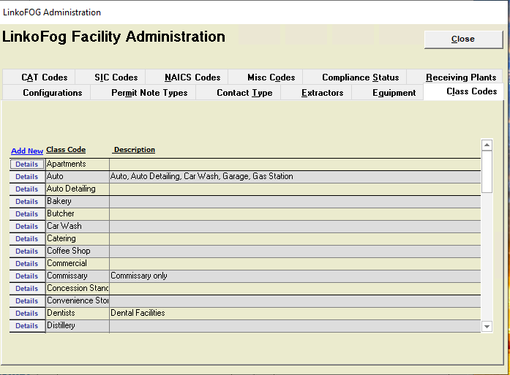 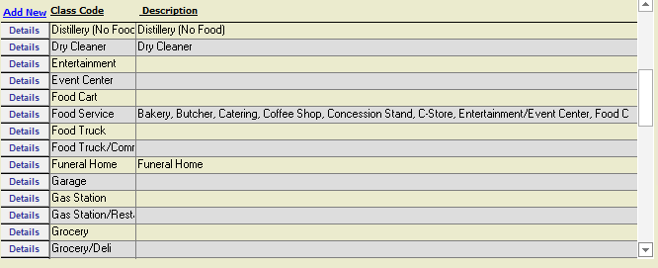 | 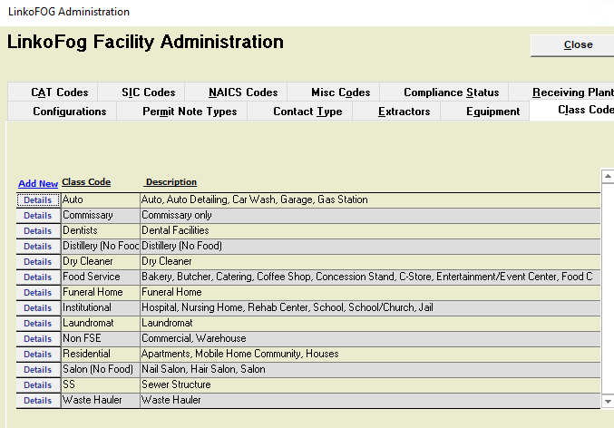
Complete | Extractor Type (Extractor Report) No Option to Inactivate. Deleted: AGRU - Big Dipper AGRU - Highland Amalgam Separator Amalsed Silver Commissary Don't Use Grey Water Tank OIG_CONCRETE OIG_FIBERGLASS OIG_STEEL OIL/SAND SEPARATOR OTHER Sediment Trap Solids separator None Can't delete (receive popup that records are in database): Alamsed Green AS-10 ECO II+ Hg5 series Edited to Do Not Use - ... | _Amalgam Separators are listed out in the Dentist "side." We do not need to create another Extractor Type for Amalgam _IPS team to get list of Dentists and data that needs cleaned up to Jess. Once that is cleaned up (includ. manufacturer), 'Alamsed Green, AS-10, ECO II+, Hg5 series' can be deleted. _Jess to go through all dentists, update all extractors to EX300, EX 301, etc and type to ABOVE FLOOR for all dentists with an Extractor. Once that is cleaned up, 'Alamsed Green, AS-10, ECO II+, Hg5 series' can be deleted. _IPS Team to identify any other cleanup needed in LinkoAG module. _Complete | 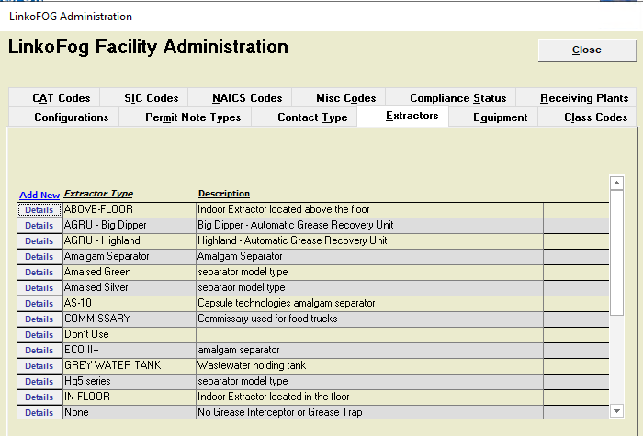 | 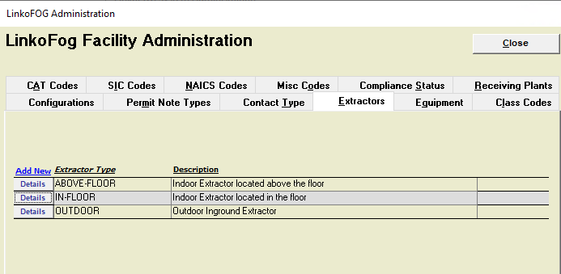
Not Configurable | Units | _IPS team to identify records with 'ppd' being used, Jess can then clean up those records, and then update the admin configuration menu. (Change to 'lbs/day') | 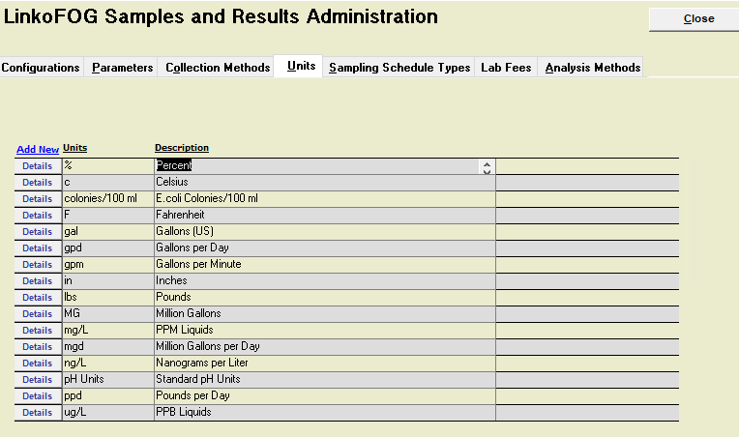 | N/A
Complete | Trunkline Freeform field not configurable. Data cleaned up and current options still in use. | _IPS team to confirm if they want to see any options still showing in trunk line deleted. _IPS cleaned some data up. Leave the rest as is, they are correct data. | I don't have a screenshot from before | 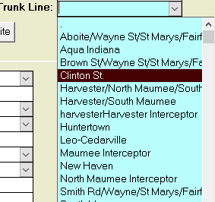
Complete - Not Configurable | Extractor ID Freeform field not configurable. User must use new codes | No action. | N/A | N/A

